Sheet1
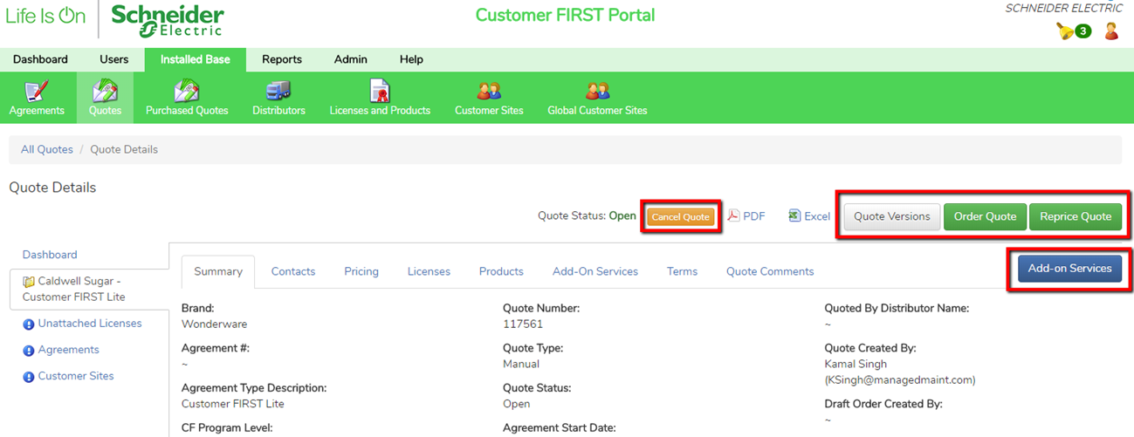
Steps | Creating a quote from a Global Customer Site.

1 | To get started, first log in to the Schneider Portal with the SE username and password that has been provided to you.
 | Click the login button to continue.
 | In the event that you forget your password click the Forgot password? link.
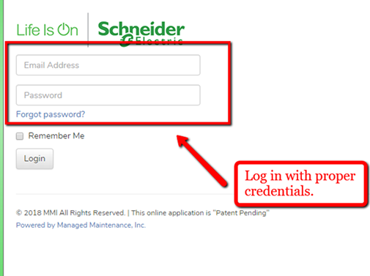

2 | Once you are logged in, your screen will default to the SE Dashboard.
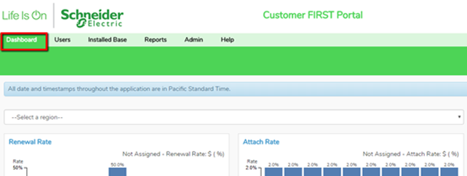

3 | In order to create a quote from the Global Customer Sites in tool, first click on the "Installed Base" tab and then Global Customer Sites.
4 | To start a quote, select and Customer by name or by Brand and select the "Create Quote" button.

5 | On the following pop up page, check the Parent check box for the customer. You must select from the 4 drop down fields that are necessary. Select an Agreement Type, CF Program Level, Start date and End date. Once these selections are made, the quote can continue.

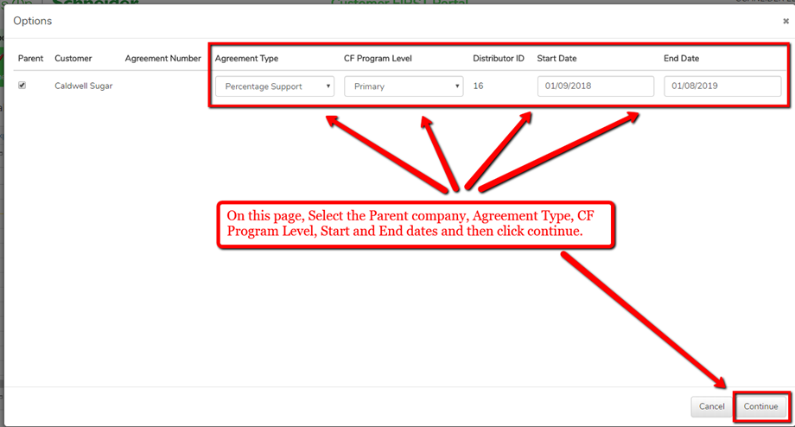

6 | Once the quote selections are made, a pop up windown will appear. Click OK and the system will send you and email notification for the quote when it is ready.

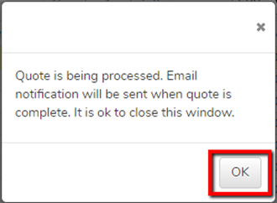

7 | Proceed to check your email for the quote from the system. The email will explain an error messages that may have caused the quote to be unsucessful. The email subject will specify that it was unsuccessful or complete. If the quote is complete, the email will contain a link to open the quote. If not, it will explain the reason for error. See below.
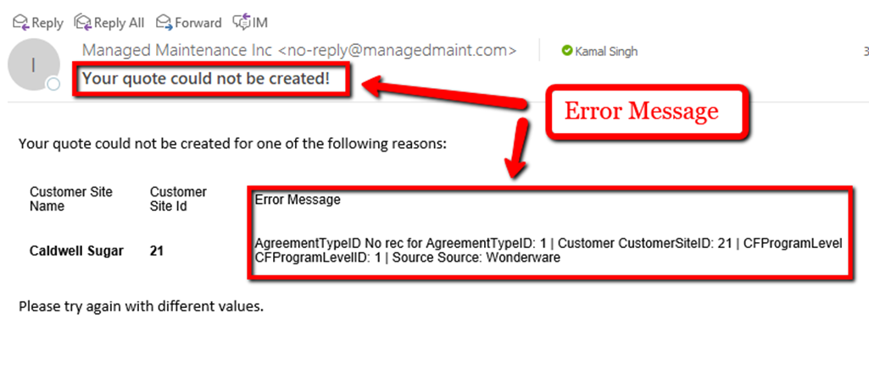

8 | The link in the email will re-direct to the portal where you can make further selections. On this page, you have the options to order the quote, Cancel the quote, view quote versions, add-on services and also reprice the quote. There are other option to print the quote to PDF or Excel.

Sheet2






